commands
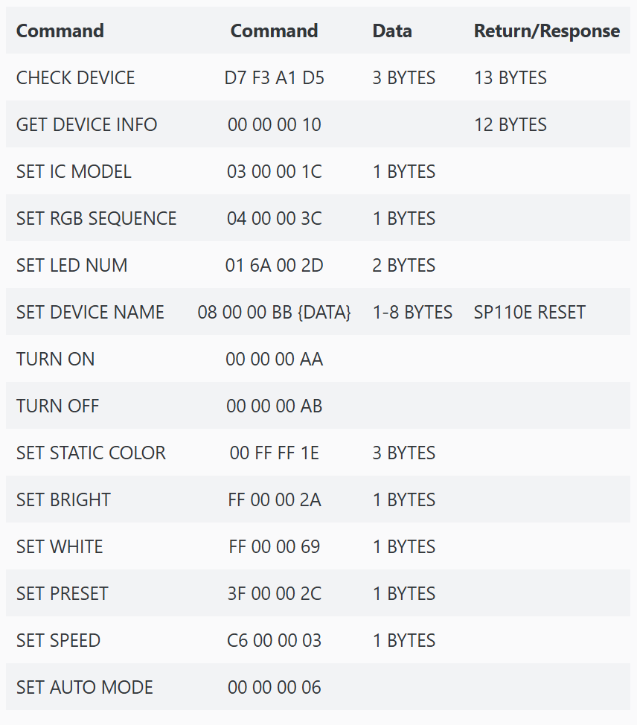
 | Command | Data | cmd | Reply
1 | TURN_ON = 0xAA |  | 170
2 | TURN_OFF = 0xAB |  | 171
3 | SET_STATIC_COLOR = 0x1E |  | 30
4 | SET_BRIGHT = 0x2A |  | 42
5 | SET_WHITE = 0x69 |  | 105
6 | SET_PRESET = 0x2C |  | 44
7 | SET_SPEED = 0x03 |  | 3
8 | SET_AUTO_MODE = 0x06 |  | 6
9 | CHECK_DEVICE = 0xD5 |  | 213
10 | GET_DEVICE_INFO = 0x10 |  | 16
11 | SET_IC_MODEL = 0x1C |  | 28
12 | SET_RGB_SEQUENCE = 0x3C |  | 60
13 | SET_LED_NUM = 0x2D |  | 45
14 | SET_DEVICE_NAME = 0xBB |  | 187

 | Extended Instruction Set
1 |  |  | 110
 |  |  | 111
 |  |  | 112
 |  |  | 113
 |  |  | 114
 |  |  | 115
 |  |  | 116
 |  |  | 117
 |  |  | 118
 |  |  | 119
 |  |  | 120
 |  |  | 121
 |  |  | 122
 |  |  | 123
 |  |  | 124
 |  |  | 125
 |  |  | 126
 |  |  | 127
 |  |  | 128
 |  |  | 129
 |  |  | 130
 |  |  | 131
 |  |  | 132
 |  |  | 133
 |  |  | 134
 |  |  | 135
 |  |  | 136
 |  |  | 137
 |  |  | 138
 |  |  | 139
 |  |  | 140
 |  |  | 141
 |  |  | 142
 |  |  | 143
 |  |  | 144
 |  |  | 145
 |  |  | 146
 |  |  | 147
 |  |  | 148
 |  |  | 149
 |  |  | 150
 |  |  | 151
 |  |  | 152
 |  |  | 153
 |  |  | 154
 |  |  | 155
 |  |  | 156
 |  |  | 157
 |  |  | 158
 |  |  | 159
 |  |  | 160
 |  |  | 161
 |  |  | 162
 |  |  | 163
 |  |  | 164
 |  |  | 165
 |  |  | 166
 |  |  | 167
 |  |  | 168
 |  |  | 169

